Delegation Registration Form
APE 2027 Delegation Registration Form
Company: |  |  |  |  |  | Country/Region:
Company Address：
Contact Person: |  |  | Department: | Position: | Cell Phone: | E-mail:
"✔" the areas of your interest (Multi-choice)

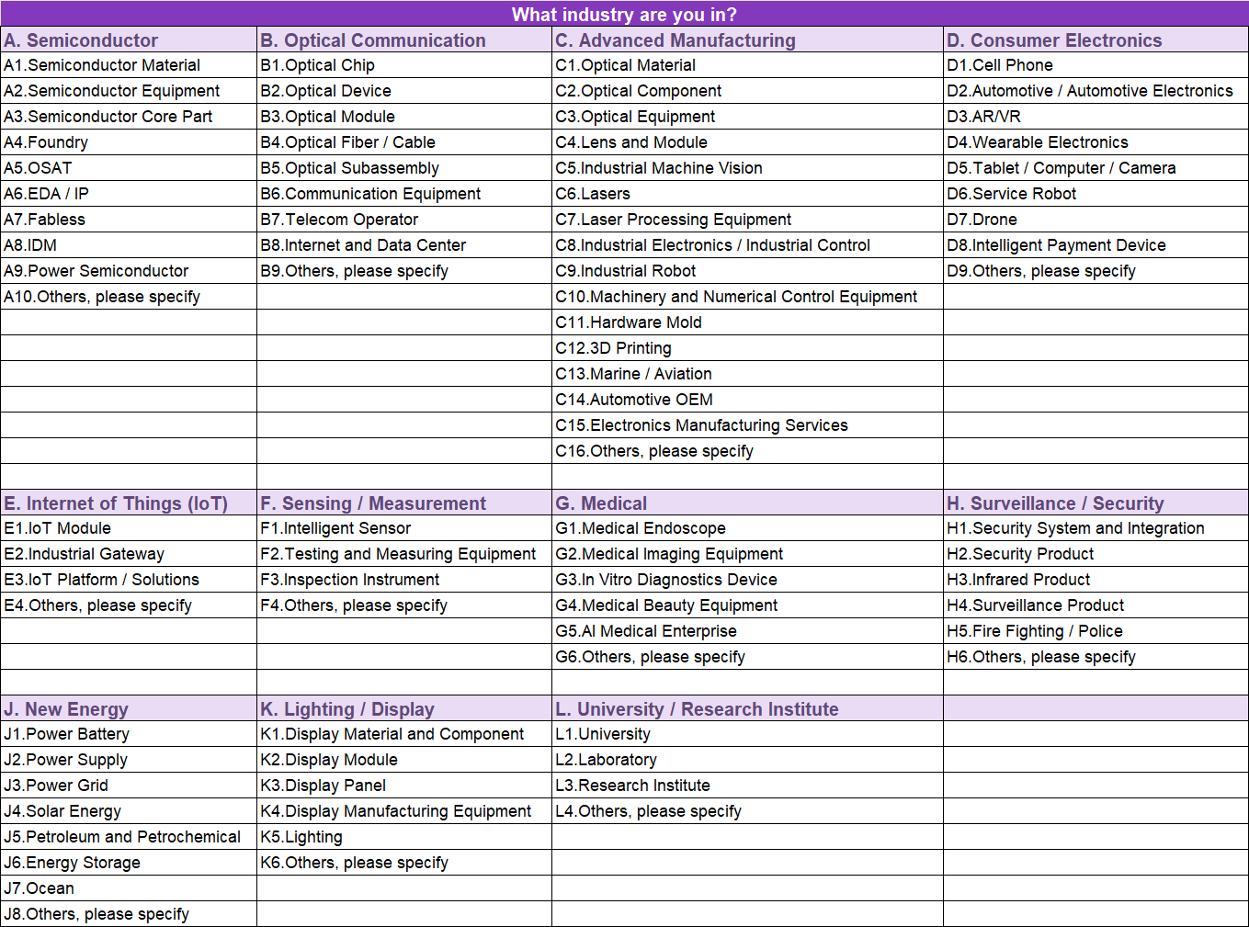
No. | Last Name | First Name | Department | Position | Cell Phone | E-mail | What Industry are you in? (Select the No. from the right)
1
2
3
4
5
6
7
8
9
10
11
12
13
14
15
…
APE Delegation Privileges (minimum 3 delegates): ✔ Free Admission ✔ Delegation Visiting Gift ✔ eCatalogue 2026 ✔ Pre-show Guide ✔ One2One Matchmaking Service |  |  |  |  | One2One Matchmaking Service: This program is featured by the tailor-made VIP service exclusively for buyers who have specific sourcing needs or purchasing plans during their visit to APE 2027. Submit sourcing request: https://www.asiaphotonicsexpo.com/vip-buyer
Contact: Carrie Wu Email ：carrie.wu@informa.com Website：www.asiaphotonicsexpo.com Venue: Sands Expo and Convention Centre (Marina Bay Sands) L1 Traffic Guide：https://www.asiaphotonicsexpo.com/about-the-show/traffic-guide

